Summary Data
Car Sales Data H1 2020

Sales by Make/Model |  |  | Income Statement 2020
Car Make | Model | Sales | Income/Expense | Amount in Millions
TOYOTA | CAMRY | 309 | Opening Balance | 37.7
TOYOTA | COROLLA | 465 | Product Revenue Q1 | 118.5
TOYOTA | HILUX | 881 | Services Revenue Q1 | 12.6
TOYOTA | LANDCRUISER | 893 | Fixed Costs Q1 | -84.8
NISSAN | NAVARA | 427 | Variable Costs Q1 | -18.6
NISSAN | QASHQAI | 407 | Closing Balance Q1 | 65.4
NISSAN | X-TRAIL | 212 | Product Revenue Q2 | 82.9
MITSUBISHI | OUTLANDER | 394 | Services Revenue Q2 | 4.3
MITSUBISHI | PAJERO | 247 | Fixed Costs Q2 | -84.3
LANDROVER | DISCOVERY | 71 | Variable Costs Q2 | -14.1
LANDROVER | RANGE ROVER | 28 | Closing Balance Q2 | 54.2
HOLDEN | ASTRA | 68
HOLDEN | COMMODORE | 157 | Service Contracts with New Cars |  | Gauge Chart
HOLDEN | TRAX | 195 | Quarter | Service Contracts % | Gauge
BMW | M5 | 5 | Q1 % | 78% | 2
BMW | X1 | 48 | Pointer 1 | 1% | 1
BMW | X3 | 84 | Remainder | 121.00% | 1
BMW | X5 | 26 | Q2 % | 58% | 4
Total |  | 4917 | Pointer 1 | 1%
 |  |  | Remainder | 141.00%

Sales by Region |  |  | Petrol vs Diesel |  | -1
State | Sales | % Sales | Month | Diesel Sold | Petrol Sold
New South Wales | 1819 | 37% | Jan | 410 | -438
Queensland | 1134 | 23% | Feb | 479 | -492
Victoria | 953 | 19% | Mar | 526 | -556
Western Australia | 652 | 13% | Apr | 200 | -366
South Australia | 320 | 7% | May | 320 | -364
Northern Territory | 39 | 1% | Jun | 300 | -458

Charts
Sales Report H1 2020

Petrol vs. Diesel
 | Diesel Sold | Petrol Sold
Jan | 410 | -438
Feb | 479 | -492
Mar | 526 | -556
Apr | 200 | -366
May | 320 | -364
Jun | 300 | -458
Sales By Region | Sales by Make and Model

 | Gauge
 | 2 | 78%
 | 1 | 1%
 | 1 | 121%
 | 4
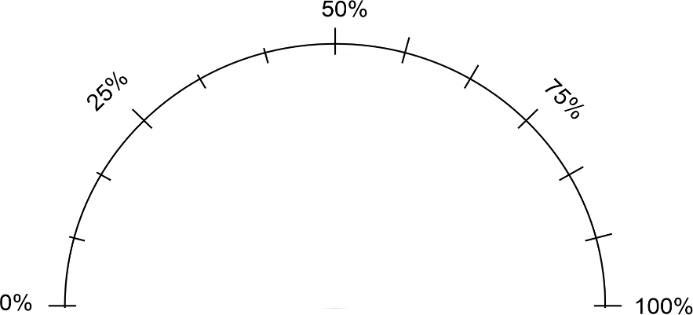

 |  | Income and Expenses

 |  |  | Q1 Service Contracts
 | Gauge
 | 2 | 58%
 | 1 | 1%
 | 1 | 141%
 | 4

 |  |  | Q2 Service Contracts

